out 5 - Midpoint
a= | 0 | b= | 2 | n= | 10 | f(x)= | x/(1+x^2) | Case | Midpoint
i | x_i | f(x_i) |  | Actual = | 0.80471895622 | %E= | 0.0023346283209
1 | 0.1 | 0.09900990099
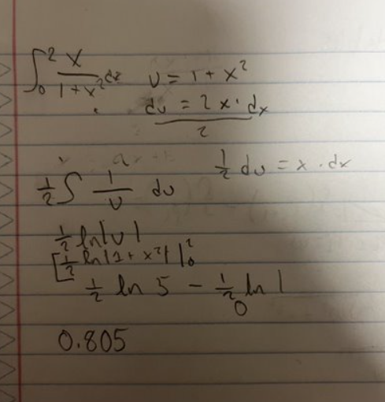
2 | 0.3 | 0.2752293578
3 | 0.5 | 0.4
4 | 0.7 | 0.46979865772
5 | 0.9 | 0.49723756906
6 | 1.1 | 0.49773755656
7 | 1.3 | 0.48327137546
8 | 1.5 | 0.46153846154
9 | 1.7 | 0.43701799486
10 | 1.9 | 0.41214750542
Sum : | 4.0329883794
Tn : | 0.80659767588

